VIZ
All Time Top Ranked Tracks
Top Tracks by Total Streams & Views

Top Tracks by Total Playlist Counts
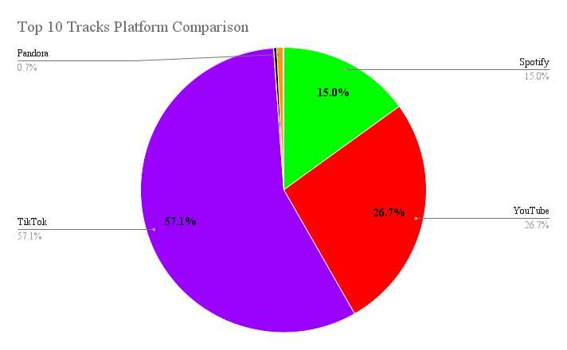

Top Artists by Track Count

Track Count by Year

